Sheet1
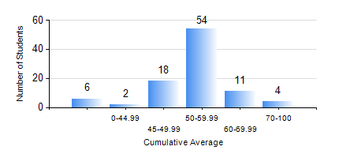
 |  |  | KWAME NKRUMAH UNIVERSITY OF SCIENCE AND TECHNOLOGY, KUMASI Department of Agricultural and Biosystems Engineering

 |  |  | BSC. AGRICULTURAL ENG.

 |  |  | COMPREHENSIVE RECORD OF EXAMINATION RESULTS

 |  |  | RESULTS OF YEAR 3 SECOND SEMESTER, 2018/2019 ACADEMIC YEAR

 | Sn | Course Code |  | Course Name | Credit Hours | Min. Mark | Max. Mark | Avg. Mark | Std. Dev. | No. Passed | No. Trailed | No. (Df) | No. (I) | No. (I*) | No. Tagged(I,I*,Df) | Total
 | 0. |  |  |  |  |  |  | 0 | 0 | 0 | 0 | 0 | 0 | 0 | 0 | 4
 | 1. | AE 352 |  | SOIL MECHANICS APPLICATION TO MECHANISATION | 2 | 40 | 78 | 63 | 7.56 | 91 | 0 | 0 | 0 | 0 | 0 | 91
 | 2. | AE 356 |  | FARM POWER AND MACHINERY | 3 | 23 | 82 | 53 | 13.43 | 79 | 12 | 0 | 0 | 0 | 0 | 91
 | 3. | AE 358 |  | RENEWABLE ENERGY SYSTEMS AND MANAGEMENT | 3 | 50 | 86 | 68 | 8.25 | 91 | 0 | 0 | 0 | 0 | 0 | 91
 | 4. | AE 360 |  | RURAL ENGINEERING | 2 | 14 | 76 | 46 | 13.83 | 66 | 25 | 0 | 0 | 0 | 0 | 91
 | 5. | ME 366 |  | HEAT TRANSFER | 3 | 19 | 83 | 44 | 11.84 | 71 | 20 | 0 | 0 | 0 | 0 | 91
 | 6. | ME 374 |  | MACHINE DESIGN II | 3 | 26 | 86 | 54 | 13.68 | 83 | 8 | 0 | 0 | 0 | 0 | 91
 | 7. | ME 376 |  | INTRODUCTION TO CAD/CAM | 3 | 34 | 81 | 64 | 10.22 | 89 | 2 | 0 | 0 | 0 | 0 | 91

